Sheet2
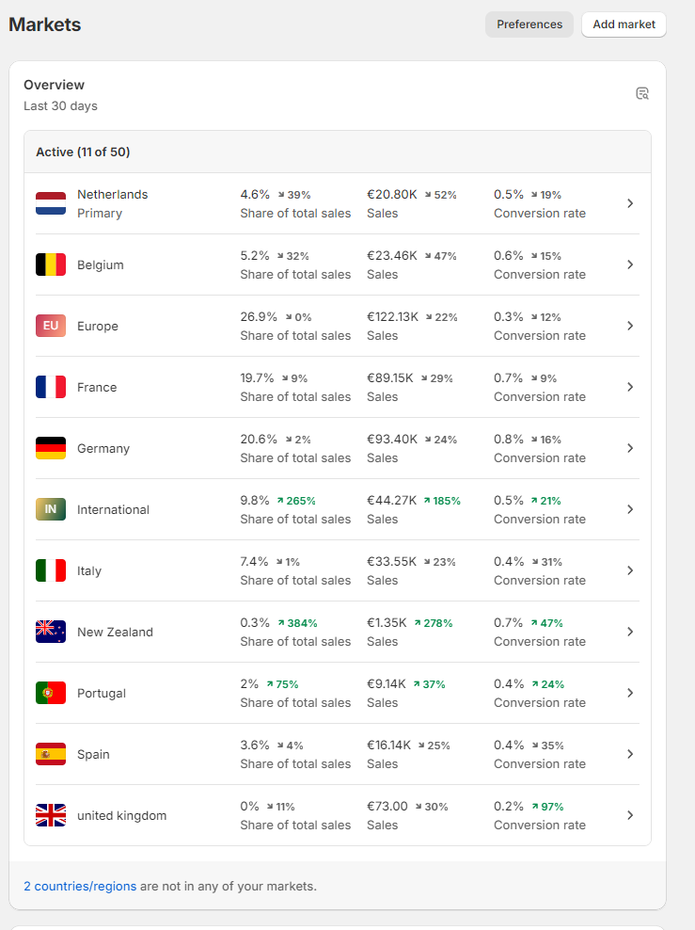
EU AREA | Average Increase (%) | Median Increase (%)
Germany | 17.90 | 8.59
France | 18.97 | 9.14
Belgium | 14.40 | 6.59
Italy | 34.48 | 14.88
Spain | 34.48 | 14.88
Europe - Rest | 25.04 | 11.60
United Kingdom | 26.47 | 11.82
International | 36.90 | 16.62
Netherlands | 23.41 | 10.44
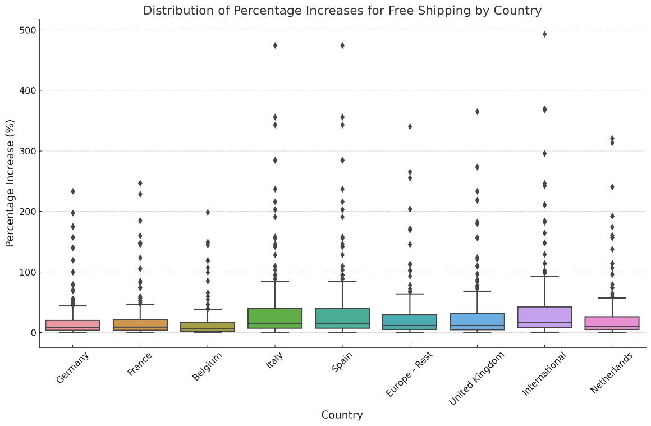

 |  | Implication of High Skewness: High skewness (typically above 1 or -1) suggests that the mean (average) can be disproportionately affected by a few large values (outliers). This can lead to a mean that is not representative of the typical data point.
 |  | Skeweness is more than 3 for our data

